Daylight Opening order form

 |  |  |  | Altair® IGLU® Louvre Single Bay Component Form |  |  |  |  | Version: Dec2023
 |  |  |  |  | Email: orders@breezway.com.au
 |  |  |  | QUOTE |  |  | ORDER

Date: |  |  |  | Customer Name: |  |  |  | Contact Name:
Required Despatch Date: |  |  |  | Despatch to: |  |  |  | Contact Number:
Customer Order Number: |  |  |  |  |  |  |  | Transport Method:
Job Reference: |  |  |  |  |  |  |  | Email/fax:
Please Note:
Special Instructions:
Colour |  | Handle Colour | Fixing Method | Keylock (Manual Only) | ULS (Pa) | Water (Pa)
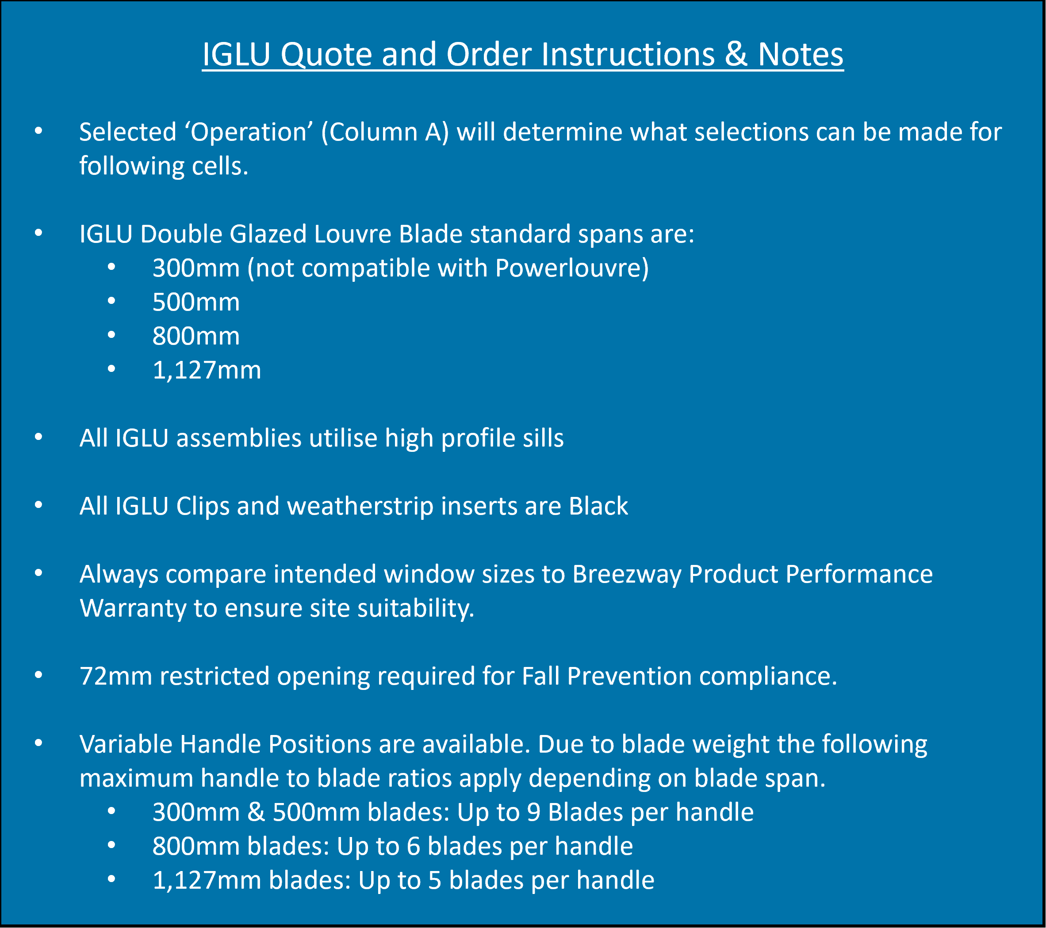
 |  |  | Screw Holes | No
Operation | Daylight Height (mm) | Daylight Width (mm) | Handle Side | Restricted Opening | Security Bars | Quantity | Markings
Standard Handle |  |  | Left

Accessories |  | Length (mm) | Quantity | Accessories |  | Length (mm) | Quantity | Breezway Component System Information - https://www.breezway.com.au/altair-louvre-window-frame-types/altair-in-other-window-frames/

 |  |  |  |  |  |  |  | Breezway Product Performance Warranty - https://www.breezway.com.au/building-code-compliance/as2047-product-performance-warranty/

